WASZP ORDER FORM
Name:
Email:
Billing Address:

Postcode:
Tel:

Order Details

 |  | Options
1 | HULL COLOUR

2 | TRAMP COLOUR

3 | TRAMP FLOTATION

4 | SAIL COLOUR

5 | RIG SIZE

6 | TOP COVER

7 | DELIVERY BOX

8 | EXTRAS
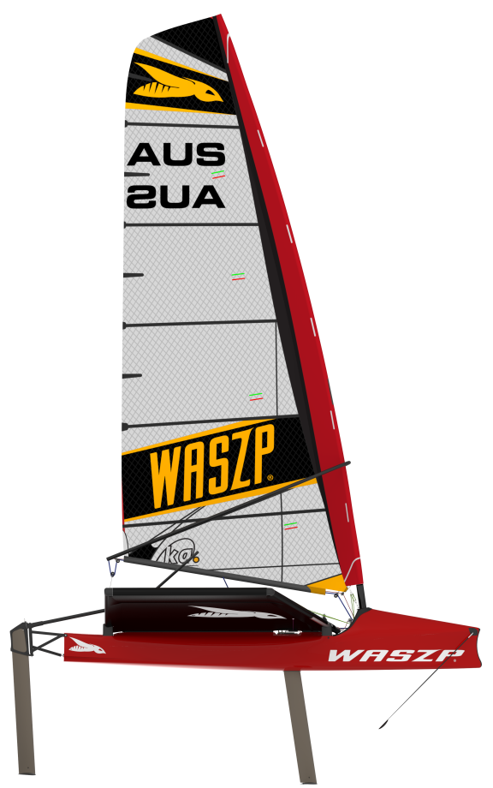

Comments (eg delivery address if different):

